Sheet1
DEFAULT DATABASE (Editable, Calculation to be Done Backhand)
COMPOSITES PREPREGS |  |  |  |  |  |  | MASTER TOOL |  |  | PART TOOL |  |  | PART FABRICATION COST
SL NO | MATERIAL | SPEC | DENSITY kg/m3 | THICKNESS in mm (t) | PREPEG Cost/ Kg |  |  | Rs/ m3 |  |  | mm |  | Extra Percentage for Prepeg weight wrt Composite part weight | 40
1.1 | CARBON UD 8552 | Hexply/8552/33%/IM7(12K)/300MM | 1580 | 0.13 | 30000 |  | EPOXY BLOCK material cost | 1200000 |  | Added Thickness for Tool | 5
1.2 | CARBON UD 914 | HEXPLY914/34%/UD160/AS4-12k/300MM | 1580 | 0.15 | 30000 |  |  |  |  |  |  |  | Percentage of Consumable cost wrt Prepeg cost | 20
1.3 | CARBON BD 914 | HEXPLY914/40%/285H5 AS4-3k/1170MM | 1580 | 0.3 | 30000 |  |  | kg/m3 |  | Percentage of surface area to be increased | 30
1.4 | CARBON BD | HEXPLY914/40%/803 | 1600 | 0.3 | 30000 |  | EPOXY BLOCK Density | 700
2.1 | GLASS | Hexply 914G-120-45% | 1800 | 0.11 | 30000 |  |  |  |  |  | Rs/Sq.m
2.2 | GLASS 914 | Hexply 914G-7781-37% | 1800 | 0.23 | 30000 |  |  | Rs |  | COST OF DRY CARBON FABRIC | 9000
2.3 | GLASS 8552 | Hexply 8552-7781-37% | 1800 | 0.24 | 30000 |  | EPOXY BLOCK Bonding cost | 20000 |  |  |  |  |  | Rs/Hr
3.1 | ADHESIVE | REDUX 319A-400GSM |  | 0.23 | 30000 |  |  |  |  |  | Rs/Hr |  | LAYUP COST | 2500
4 | COPPERMESS | HEXPLY-C.MESH-40% | 1300 | 0.1 | 30000 |  |  | Rs/hr |  | LAYUP COST | 2500
5 | KEVLAR | 914K-285-50% | 1400 | 0.25 | 30000 |  | DESIGN COST | 2500 |  |  |  |  |  | Rs/hour
6 | CORE | N.FLEX CORE HRH-10-F50-3.5 | 54 | 6 | 30000 |  |  |  |  |  | Rs/Hr |  | AUTOCLAVE CURING | 4000
 |  |  |  |  |  |  |  | Rs/m3 |  | OVEN CURING COST | 3000
 |  |  |  |  |  |  | FRAME FABRICATION COST | 100000 |  |  |  |  |  | Rs/hr
MASTER TOOL |  |  |  |  |  |  |  |  |  |  | Rs/Part |  | TRIMMING & INSPECTION | 2500
Volume (V) of composite tool in m3 | Design Hours | Machining Hour | Assy hour | Finishing Hour | Inspection Hour |  |  | Rs/hr |  | LT INSPECTION COST | 50000
0-2 | 80 | 80 | 80 | 8 | 8 |  | MACHINING COST | 2500 |  | Number of Inspection time | 1 |  |  | Rs/ hr
2-4 | 100 | 100 | 100 | 10 | 10 |  |  |  |  |  |  |  | NDTS | 4000
4-10 | 120 | 120 | 120 | 12 | 12 |  |  | Rs/hr |  |  | RS/hour
 |  |  |  |  |  |  | ASSY COST | 2500 |  | TRIMMING & INSPECTION | 2000
PART TOOL
Volume (V) of composite tool in m3 | Curing hour | Trimming and Inspection Hour |  |  |  |  |  | RS/hr |  |  | Rs/Sq.m
0-2 | 24 | 8 |  |  |  |  | FINISHING COST | 2500 |  | COST FOR FABRICATION CFC TUBES | 32000
2-4 | 24 | 10
4-10 | 24 | 12 |  |  |  |  |  | Rs/hr |  |  | Rs/Sq.m
 |  |  |  |  |  |  | INSPECTION COST | 1500 |  | COST FOR BONDING AND RIVETING | 16500
Increased Surface Area, A2 | Layup man-hours
0-50 | 180
50-150 | 200
150-300 | 220

PART FABRICATION COST
Volume (V) of composite tool in m3 | Curing hour | Trimming and Inspection Hour | NDTS Hour
0-2 | 24 | 8 | 8
2-4 | 24 | 10 | 10
4-10 | 24 | 12 | 12

Total Surface Area, A1 | Layup man-hours
0-30 | 180
30-80 | 200
80-150 | 220

INPUT DATA (To be shown in UI) |  |  |  |  |  | DERIVED DATA (Derived from CAD Model)
1 | .stp file |  |  |  |  | 1 | Bounding Box Size:, Length (L), Width (W), Height (H),
2 | Material spec(CHOOSE FROM DROP DOWN) | HEXPLY914/34%/UD160/AS4-12k/300MM |  |  |  | 2 | Other parameters: Thickness (T), Surface area of one ply(A)

 |  |  |  |  |  | 3 | M.Stock Size: W+100, L+100

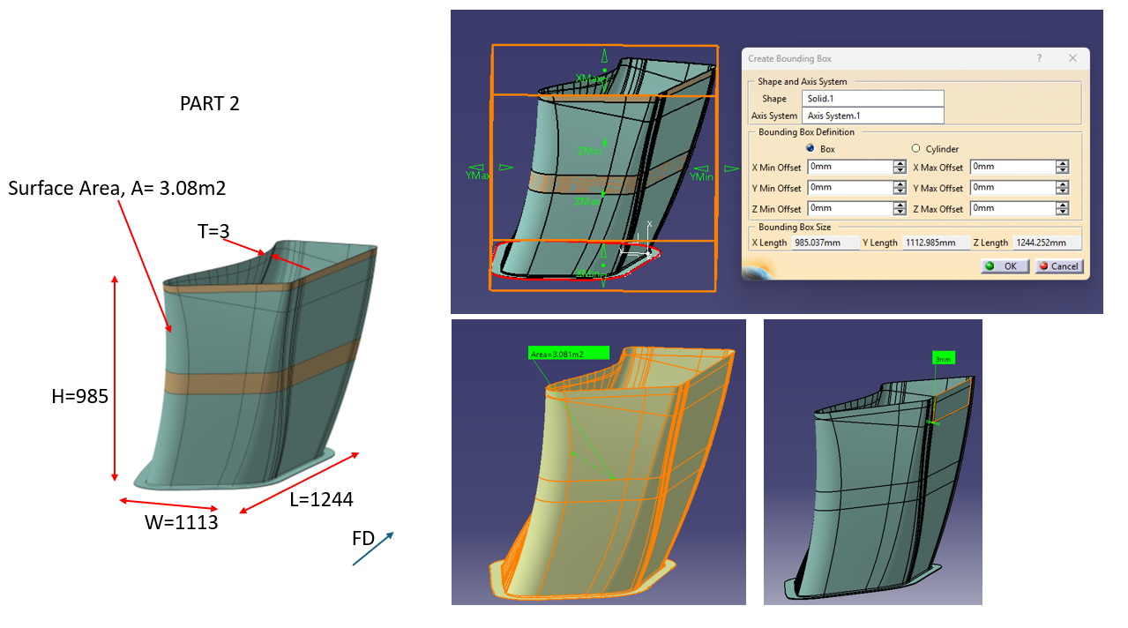
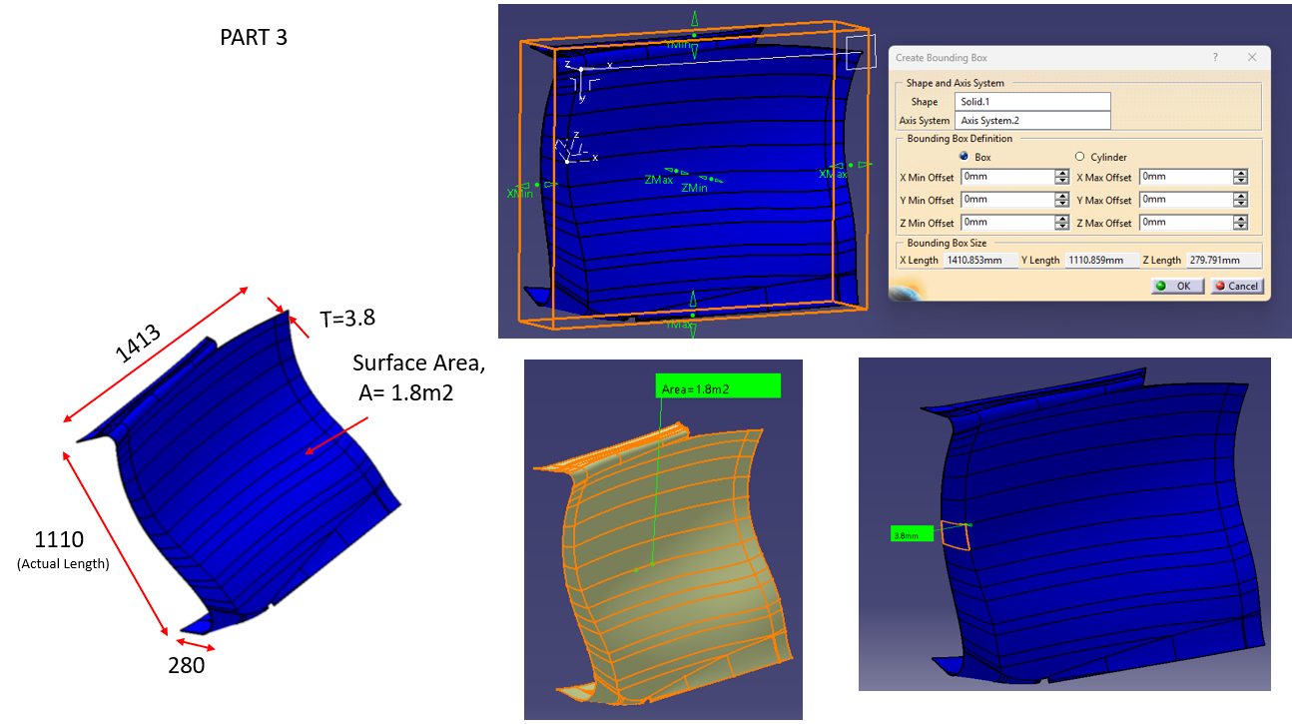
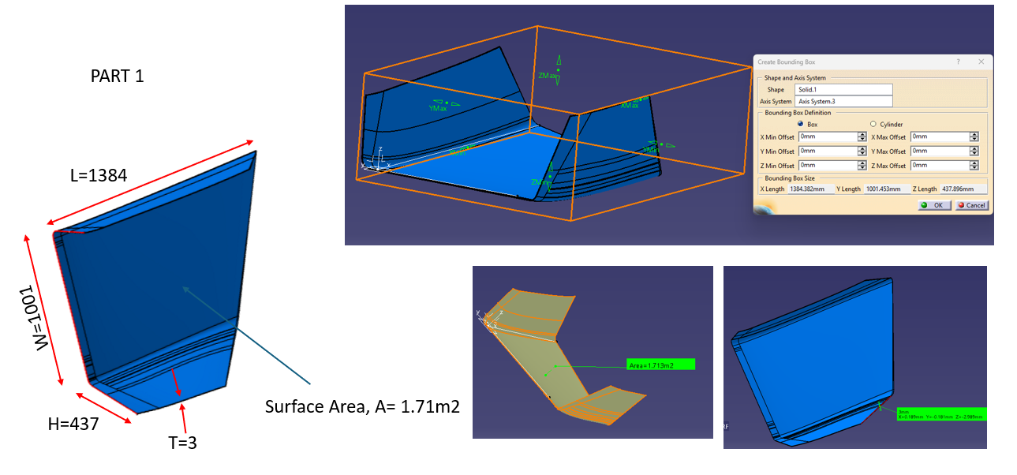

CALCULATION WITH TYPICAL EXAMPLES
SL NO | Part Name | MATERIAL SPEC | THICKNESS (T) | WIDTH, W | LENGTH, L | T/HEIGHT | STOCK SIZE W | STOCK SIZE L | NO OF LAYERS | SURFACE AREA OF ONE PLY, A (m^2) | TOTAL SURFACE AREA, A1 (m^2) | Volume of Part (m^3) | Density (kg/m^3) | MASS IN kg | VOLUME OF COMPOSITE TOOL (V) IN m3 | Tool Stock weight in Kg

1 | PART 1 | 914K-285-50% | 3 | 1001 | 1384 | 437 | 1101 | 1484 | 12 | 1.71 | 20.52 | 0.0051 | 1400 | 7.182 | 0.71 | 499.81
2 | PART 2 | 914K-285-50% | 3 | 1113 | 1244 | 985 | 1213 | 1344 | 12 | 3.08 | 36.96 | 0.0092 | 1400 | 12.936 | 1.61 | 1,124.07
3 | PART 3 | 914K-285-50% | 3.8 | 1110 | 1413 | 280 | 1500 | 2050 | 15.2 | 1.8 | 27.36 | 0.0068 | 1400 | 9.576 | 0.86 | 602.70

MASTER MODEL COST
NO.OF DSGN HOURS | DESIGN COST | FRAME FABRICATION COST | COST OF EPOXY BLOCK +Bonding cost | NO OF MACHINING HOURS | MACHINING COST | NO OF ASSY HOURS | ASSEMBLY COST | FINISHING COST | INSPECTION COST | TOTAL MASTER MODEL COST

80 | 200000 | 71400.73 | 876808.77 | 80 | 200000 | 80 | 200000 | 20000 | 12000 | 1580209.50
80 | 200000 | 160581.79 | 1946981.50 | 80 | 200000 | 80 | 200000 | 20000 | 12000 | 2739563.30
80 | 200000 | 86100.00 | 1053200.00 | 80 | 200000 | 80 | 200000 | 20000 | 12000 | 1771300

TOOL COST
SURFACE AREA IN (m2) | INCREASED THICKNESS OF TOOL | TOTAL SURFACE AREA | INCREASED SURFACE AREA, A2 | COST OF DRY CARBON FABRIC PER Sq.m | LAYUP COST |  | OVEN CURING COST@3000/hr |  | LT INSPECTION COST@50000/PART |  | TRIMMING & INSPECTION | SUB STRUCTURE COST |  | TOTAL TOOL COST |  |  | .
 |  |  |  |  | NO OF MAN-HOURS | LAYUP COST | NO OF HOURS | COST | NO OF TIMES | COST |  | COST FOR FABRICATION CFC TUBES | COST FOR BONDING AND RIVETING
1.71 | 8 | 54.72 | 71.136 | 640224 | 200 | 500000 | 24 | 72000 | 1 | 50000 | 16000 | 1751040 | 902880 | 3932144
3.08 | 8 | 98.56 | 128.128 | 1153152 | 200 | 500000 | 24 | 72000 | 1 | 50000 | 16000 | 3153920 | 1626240 | 6571312
1.8 | 8.8 | 63.36 | 82.368 | 741312 | 200 | 500000 | 24 | 72000 | 1 | 50000 | 16000 | 2027520 | 1045440 | 4452272

PART FABRICATION COST
Composite part wt.@40% Extra | Prepreg Cost | No.Of MAN- HOURS | Part Layup Cost | Consumables Cost | AUTOCLAVE CURING | TRIMMING & INSPECTION | NDTS | TOTAL PART COST | Total Tool cost + Part Cost | Import/Export cost @ 5% | Contigency @10% | GST (18%) | TOTAL COST

10.0548 | 301644 | 180 | 450000 | 60328.8 | 96000 | 20000 | 32000 | 959972.8 | 4892116.8 | 244605.84 | 489211.68 | 880581.024 | 6,506,515.34
18.1104 | 543312 | 200 | 500000 | 108662.4 | 96000 | 20000 | 32000 | 1299974.4 | 7871286.4 | 393564.32 | 787128.64 | 1416831.552 | 10,468,810.91
13.4064 | 402192 | 180 | 450000 | 80438.4 | 96000 | 20000 | 32000 | 1080630.4 | 5532902.4 | 276645.12 | 553290.24 | 995922.432 | 7,358,760.19

